PerfectMatch
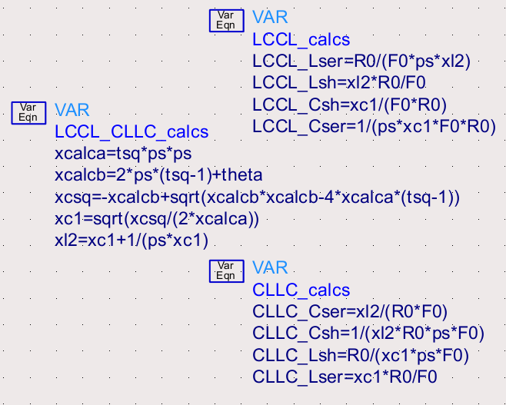
A Perfect Match Calculator |  |  | Hz, H, F, Ohm

This spread-sheet calculates the element values required
for a perfect 4-element match.

Inputs parameters are
-The two frequencies of the nulls in the return loss
-The impedances being matched

The calculations are exact and unique, and the calculator is valid over all frequencies and impedances.

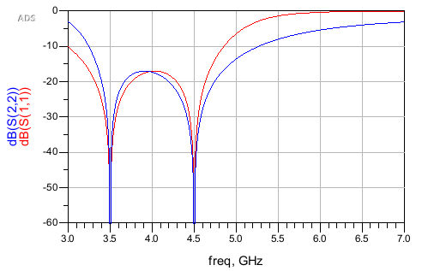
Inputs

Rlow | 10 | Ohms | Rlow < Rhigh
Rhigh | 50 | Ohms
Flow | 2.00E+09 | Hz | Flow < Fhigh
Fhigh | 3.00E+09 | Hz

Intermediate Calculations

T | 0.4472135955
R0 | 22.360679775 | Ohms
F0 | 2449489742.8 | Hz
DelF | 1.00E+09 | Hz
2Pi squared | 39.478417604
T squared | 0.2
BW parameter | 8.55E+01

for LPLP and HPHP calculations
a | 389.63636414
b | -2.7398539314
csq | 42.313232055
csh | 0.2330200875

LCLC element values

Lser1 | 8.875672577E-10 | H
Csh1 | 4.2543452758E-12 | F
Lser2 | 2.1271726379E-09 | H
Csh2 | 1.7751345154E-12 | F

CLCL element values

Cser1 | 4.7565026182E-12 | F
Lsh1 | 9.9233036141E-10 | H
Cser2 | 1.9846607228E-12 | F
Lsh2 | 2.3782513091E-09 | H

for LPHP and HPLP calculations
a | 311.70909131
b | 2.24E+01
c | -0.8
csq | 0.026197610181
csh | 0.16185675822
lsh | 0.31835498659

LCCL element values

Lser | 7.2633669138E-10
Csh | 2.9550865854E-12
Cser | 2.8572536629E-12
Lsh | 2.9061701241E-09

CLLC element values

Cser | 5.8123402483E-12
Lsh | 1.4286268314E-09
Lser | 1.4775432927E-09
Csh | 1.4526733828E-12

C-transformer-C element values

Cser | 5.8123402483E-12
Lpri | 1.4286268314E-09
M | 1.4286268314E-09
coupling fact | 0.7011305395
Lsec | 2.9061701241E-09
Csh | 1.4526733828E-12

ADS Implementation

Blocks common to all networks:

Blocks for LPLP and HPHP (LCLC and CLCL) designs

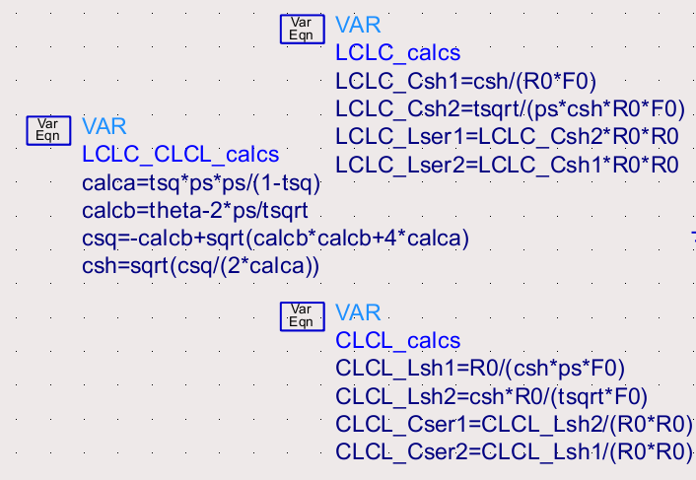

Blocks for LPHP and HPLP (LCCL and CLLC) designs

